Authentication Bypass
Attacks | Malicious Payloads | No | Preventions | Ways of Execution | Result | Attack Prevention Coverage | Time | Remarks
Tautologies | 1) Not Equal Bypass: { "password": { "$ne": "impossible_pass" } } 2) Greater Than Bypass: { "password": { "$gt": "" } } 3) Less Than Bypass: { "password": { "$lt": "~~~~" } } | 1 | Input Validation | Strictly block inputs that are not Strings such as Objects (attacks) | Blocked | (3 / 3) * 100 = 100% | 1) 4ms 2) 2ms 3) 2ms | Achieved security by rejection (Status 400). If the database found the input is not in String, it will stopped the process immediately and send back an error.
 |  | 2 | Input Sanitization | Remove inputs that start with dangerous character, $, which denotes an operator |  |  | 1) 32ms 2) 10ms 3) 9ms | Achieved security by neutralization (Status 200, Login Failed). It works by identifying dangerous key such as $ne which is not allowed, then it will remove it leaving something like { "password": {} }. Then, MongoDB will look for user with password equals to {} but there's none. Hence, it will return null which leads to unsuccess login attempt.
 |  | 3 | Parameterised Queries | Works by explicitly constructing the query object and casting inputs to values |  |  | 1) 30ms 2) 10ms 3) 11ms | For instance, it casts { "$ne": "impossible_pass" } into literal strings, then bind it to value. As there is no such password in the database, the login attempt will fail.
Operator Query Injection | 1) Regex Wildcard: { "password": { "$regex": ".*" } } 2) Partial Regex: { "password": { "$regex": "^p" } } 3) Array Inclusion ($in): { "password": { "$in": ["admin", "password", "123456"] } } | 1 | Input Validation |  |  |  | 1) 19ms 2) 3ms 3) 3ms
 |  | 2 | Input Sanitization |  |  |  | 1) 29ms 2) 10ms 3) 8ms
 |  | 3 | Parameterised Queries |  |  |  | 1) 29ms 2) 9ms 3) 11ms

Attacks | Benigns | No | Preventions | Result | False Positive Rate | Time | Remarks
Tautologies | 1) Exclamation Check: { "username": "jenniferstephens" "password": "pw23!" } 2) Math Symbols: { "username": "hillrachel", "password": "4>4_is_False" } 3) Equals Sign: { "username": "serranobrian", "password": "ur_password=" } | 1 | Input Validation | Allowed | (0 / 3) * 100 = 0% | 1) 19ms 2) 18ms 3) 14ms
 |  | 2 | Input Sanitization |  |  | 1) 39ms 2) 24ms 3) 16ms
 |  | 3 | Parameterised Queries |  |  | 1) 34ms 2) 17ms 3) 16ms
Operator Query Injection | 1) Currency Symbol: { "username": "charleshudson", "password": "I_Love_$$" } 2) Dot Notation: { "username": "john.doe", "password": "password123" } 3) Regex Characters: { "username": "gregoryharrison", "password": "Star*Master??" } | 1 | Input Validation |  |  | 1) 38ms 2) 16ms 3) 16ms
 |  | 2 | Input Sanitization |  |  | 1) 33ms 2) 15ms 3) 16ms
 |  | 3 | Parameterised Queries |  |  | 1) 36ms 2) 15ms 3) 16ms

 |  |  |  | Prevention Method | Tautologies | Operator Query Injection
 |  |  |  | Input Validation | 2.67 | 8.33
 |  |  |  | Input Sanitization | 17 | 12.67
 |  |  |  | Parameterized Queries | 14 | 16.33

Authentication Bypass (Time in ms)

Data Extraction
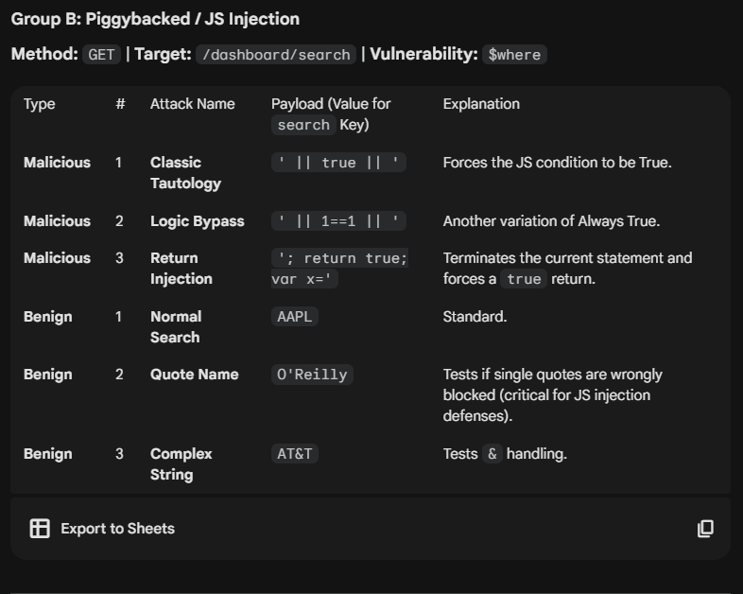
Attacks | Malicious | No | Preventions | Result | Attack Prevention Coverage | Time | Remarks
Piggybacked Query | 1) Classic Tautology: ' || true || ' 2) Logic Bypass: ' || 1==1 || ' 3) Return Injection: '; return true; var x=' | 1 | $where -> $expr | Blocked | (3 / 3) * 100 = 100% | 1) 57ms 2) 55ms 3) 54ms
 |  | 2 | Input Validation |  |  | 1) 35ms 2) 29ms 3) 28ms
 |  | 3 | Input Sanitization |  |  | 1) 31ms 2) 30ms 3) 30ms
 |  | 4 | Parameterized Queries |  |  | 1) 18ms 2) 17ms 3) 16ms
Operator Query Injection | 1) Not Equal Null: search[$ne]: null 2) Regex Wildcard: search[$regex]: .* 3) Greater than empty: search[$gt]: ``()
 |  | 2 | Input Validation |  |  | 1) 4ms 2) 3ms 3) 4ms | No transactions found. (This means the malicious payloads failed to extract data from the database)
 |  | 3 | Input Sanitization |  |  | 1) 32ms 2) 30ms 3) 28ms
 |  | 4 | Parameterized Queries |  |  | 1) 18ms 2) 16ms 3) 16ms

Attacks | Benign | No | Preventions | Result | False Positive Rate | Time | Remarks
Piggybacked Query | 1) Hyphenated: search: T-Mobile 2) Quote Name: search: O'Reilly 3) Dot Notation: search: Dot.Test | 1 | $where -> $expr | Allowed | (0 / 0) * 100 = 0% | 1) 55ms 2) 53ms 3) 57ms
 |  | 2 | Input Validation |  |  | 1) 32ms 2) 27ms 3) 30ms
 |  | 3 | Input Sanitization | One got blocked | (1 / 3) * 100 = 33.33% | 1) 30ms 2) 30ms 3) 30ms | Dot.Test was blocked. Same reason
 |  | 4 | Parameterized Queries | Allowed | (0 / 0) * 100 = 0% | 1) 18ms 2) 20ms 3) 16ms
Operator Query Injection | 1) Hyphenated: search: T-Mobile 2) Brackets: search: (Parenthesis) 3) Dot Notation: search: Dot.Test
 |  | 2 | Input Validation |  |  | 1) 30ms 2) 31ms 3) 28ms
 |  | 3 | Input Sanitization | One got blocked | (1 / 3) * 100 = 33.33% | 1) 33ms 2) 30ms 3) 29ms | Dot.Test did not work as input sanitization blocked the use of dot to prevent accessing nested properties. Need to justify is it necessary to block dot, is there another way to solve it, or it's indeed input sanitization's flaw.
 |  | 4 | Parameterized Queries | Allowed | (0 / 0) * 100 = 0% | 1) 16ms 2) 18ms 3) 18ms

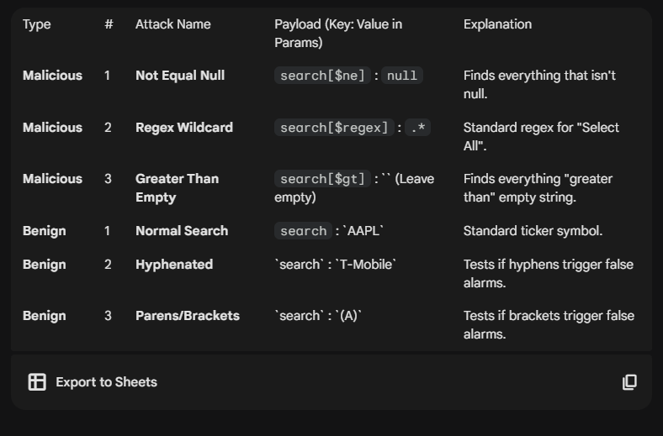
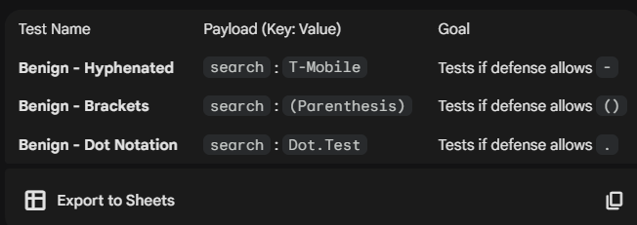

 |  |  |  |  |  |  | Prevention Method | Piggybaced Queries | Operator Query Injection |  | Mitigation Strategy | Piggybacked Queries (FP Rate) | Operator Query Injection (FP Rate)
 |  |  |  |  |  |  | Input Validation | 30.67 | 3.67 | 17.17 | Input Validation | 0% | 0%
 |  |  |  |  |  |  | Input Sanitization | 30.33 | 30 | 30.17 | Input Sanitization | 33.33% | 33.33%
 |  |  |  |  |  |  | Parameterized Queries | 17 | 16.67 | 16.59 | Parameterized Queries | 0% | 0%
 |  |  |  |  |  |  | $expr | 55.33 |  | 55.33 | $expr | 0% | N/A

Data Extraction (Time in ms)
 | Piggybaced Queries | Operator Query Injection
Input Validation | 30.67 | 3.67
Input Sanitization | 30.33 | 30
Parameterized Queries | 17 | 16.67
$expr | 55.33

